Numerical Values Film
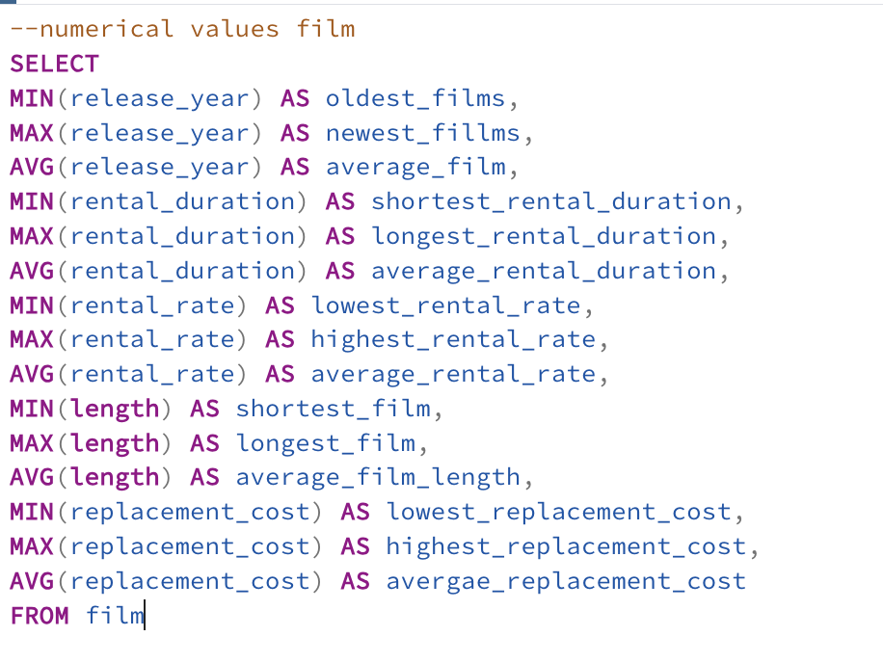
oldest_films | newest_fillms | average_film | shortest_rental_duration | longest_rental_duration | average_rental_duration | lowest_rental_rate | highest_rental_rate | average_rental_rate | shortest_film | longest_film | average_film_length | lowest_replacement_cost | highest_replacement_cost | average_replacement_cost
2006 | 2019 | 2006.012987 | 3 | 7 | 4.983016983 | 0.99 | 4.99 | 2.982007992 | 46 | 185 | 115.272 | 9.99 | 29.99 | 19.984005994

Language
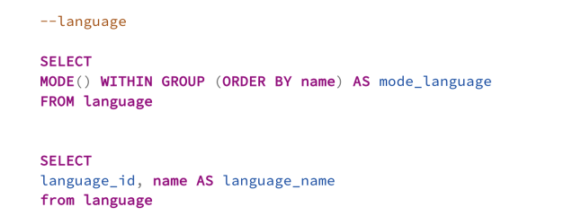
mode_language | language_id | language_name
English | 1 | English
 | 2 | Italian
 | 3 | Japanese
 | 4 | Mandarin
 | 5 | French
 | 6 | German

Top Ten Countries
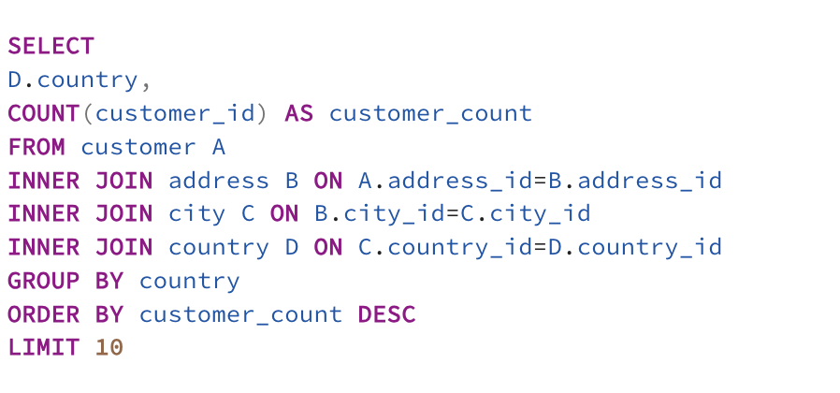
country | customer_count
India | 60
China | 53
United States | 36
Japan | 31
Mexico | 30
Brazil | 28
Russian Federation | 28
Philippines | 20
Turkey | 15
Indonesia | 14

Top Ten Countries in Top Ten Ci
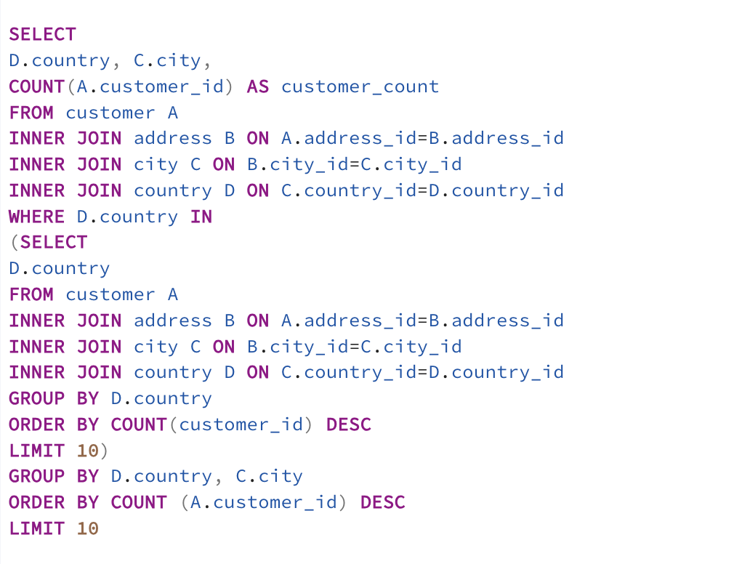
country | city | customer_count
United States | Aurora | 2
Mexico | Acua | 1
United States | Citrus Heights | 1
Japan | Iwaki | 1
India | Ambattur | 1
China | Shanwei | 1
Brazil | So Leopoldo | 1
Russian Federation | Teboksary | 1
China | Tianjin | 1
Indonesia | Cianjur | 1

5 Top Paying Customers
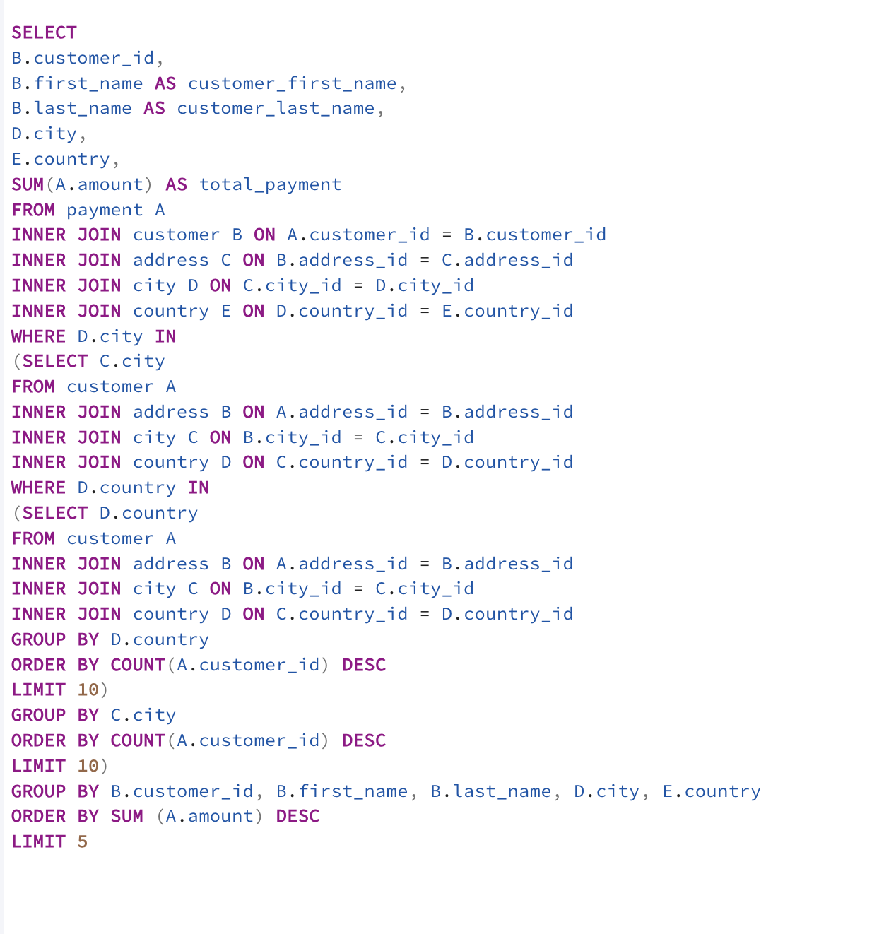
customer_id | customer_first_name | customer_last_name | city | country | total_payment
566 | Casey | Mena | Tokat | Turkey | 130.68
84 | Sara | Perry | Atlixco | Mexico | 128.7
506 | Leslie | Seward | Pontianak | Indonesia | 123.72
389 | Alan | Kahn | Emeishan | China | 119.75
537 | Clinton | Buford | Aurora | United States | 98.76

